Store Info
Group | Column/Value | Definition
Demographics - 5 Mile Radius | Open Date | Date store opened (some stores will not have a full 52 weeks of sales on any item)
 | Price Zone/Market | Store region
 | Store Size | Small/Medium/Large/Extra Large designation based on selling space in the store
 | Households (HH) | Raw # of Households within 5mi radius of store
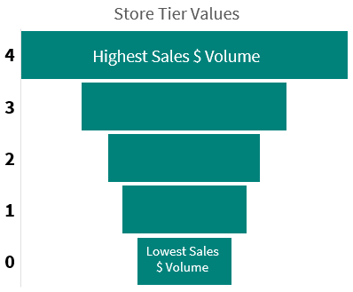
Store Tiers | 4 | Highest Sales $ Volume
 | 3 | |
 | 2 | |
 | 1 | |
 | 0 | Lowest Sales $ Volume
 | n/a | Store does not carry category

